SW architecture
static architecture

1 Introduction of Product
 | SRQ_001 | 这是基于ABC项目的整车控制系统。
 | SRQ_002 | 本规范定义了项目的软件需求。
初始的静态架构图（SWC）

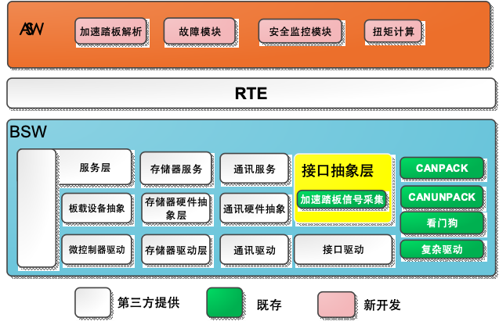

Dynamic Architecture
数据流引用到这里，数据流要有信号名称体现

swc2

swc1

swc3

Top Event
DFA Top Event From FFI/Independent
"I":Independce. [ISO26262-9-2018] Freedom from interference and absence of common cause failures are used to justify independence when performing ASIL decomposition "F":Freedom from interference. [ISO26262-9-2018] Freedom from interference is used to justify the coexistence of elements with different, or no, assigned ASIL. "O": No need to disguss.
Top EventID | Event Description | Function Description | ASIL | common cause failure ? | cascading failure ? | ﻿coexistence- Freedom from interface? | — similar and dissimilar redundant elements; (功能冗余，分解) | — ASIL decomposition（分解） | — different functions implemented with identical software or hardware elements;(同一个集成模块） | — functions and their respective safety mechanisms;（分解） | — partitions of functions or software elements;(QM, ASIL FFI) | — physical distance between hardware elements, with or without a barrier; and | — common external resources.（按照最高等级开发）
1-静态架构[分区，分核]
2-数据流
3-控制流[int,wdt, SWmode,task]
Chag mode: 充电电流命令 SWC1
Chag mode: 充电电压命令SWC2
Chag mode: 扭矩自锁 SWC3
SW_DF_001 | SWC1: SWC2 & SWC3 | SWC2 FUNCTION & SWC3 FUNCTION | D(D) & QM(D) | Y |  |  |  |  |  | Y
1-共因[控制流，单个信号给多个SWC]
2-级联[同一个ASIL 等级功能传递过程中的源头失效]
3-共存[不同ASIL 等级：分解[A(C)+ B(C)]，QM +ASIL]
SW_DF_002
SW_DF_003 | VIN01: S1&S2&S3&
QM(C)

ASIL C
C(C)

